Indices

 | Iraq Stock Exchange
 | Bulletin No (199)

 | ISX Trading Indices of Wednesday 5/11/2025

 | Traded Volume and OTC |  | 661,398,771 |  | Traded Value and OTC |  | 1,085,311,434 |  | Traders | 1043

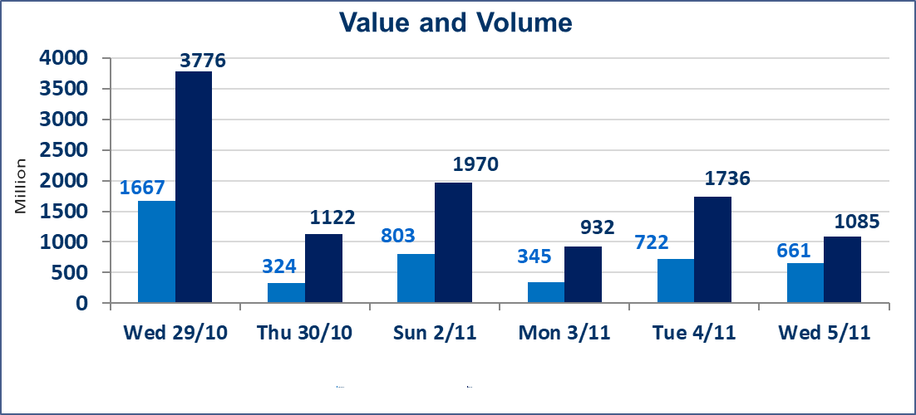
 | ISX Index 60 |  |  | 945.72 | ISX Index 15 |  |  | 1172.62
 | Previous ISX Index60 |  |  | 954.77 | Previous ISX Index15 |  |  | 1171.86
 | Change % |  |  | -0.95 | Change % |  |  | 0.06
 | Change |  |  | -9.05 | Change |  |  | 0.76

 | Listed Companies | 104 | OTC | 11 | Non Traded listed | 46 | OTC | 8
 | Traded Listed Companies | 43 | OTC | 2 | Higher Companies |  |  | 12
 | GAM Companies |  |  | 3 | Lower Companies |  |  | 14
 | Suspended Companies |  |  | 12
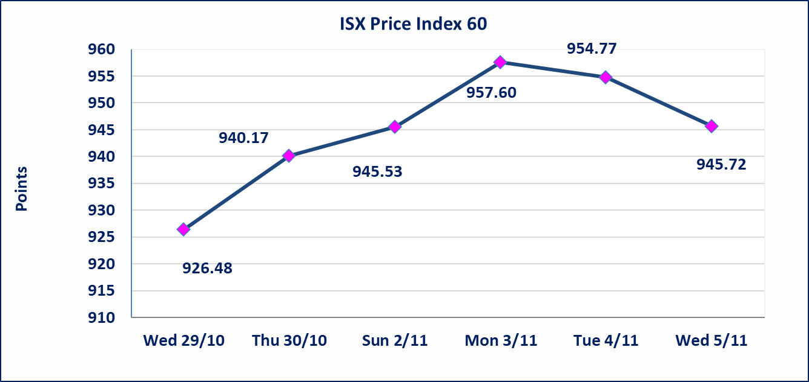
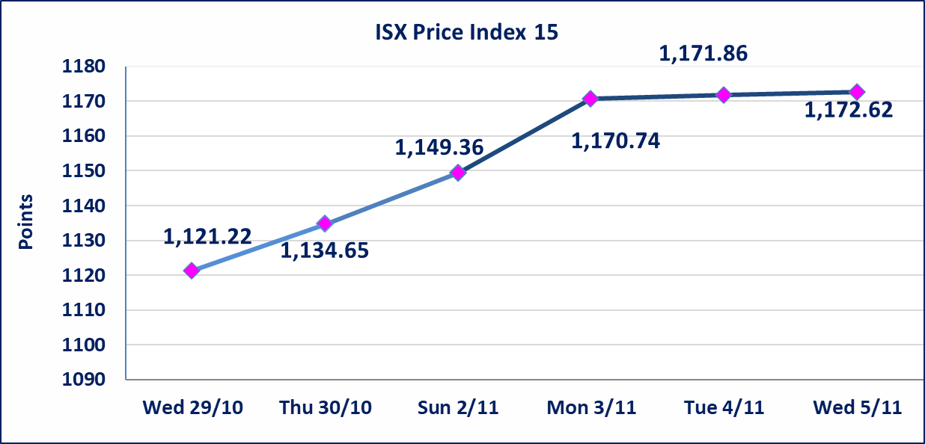

Al-Alwiya P.O . 3607 Mobile: 07711211522 - 07270094594 - 07834000034 E-mail: info-isx@isx-iq.net Web site:www.isx-iq.net

Top 5
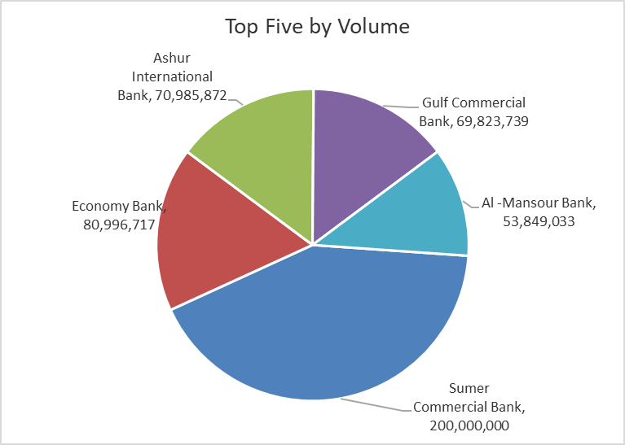
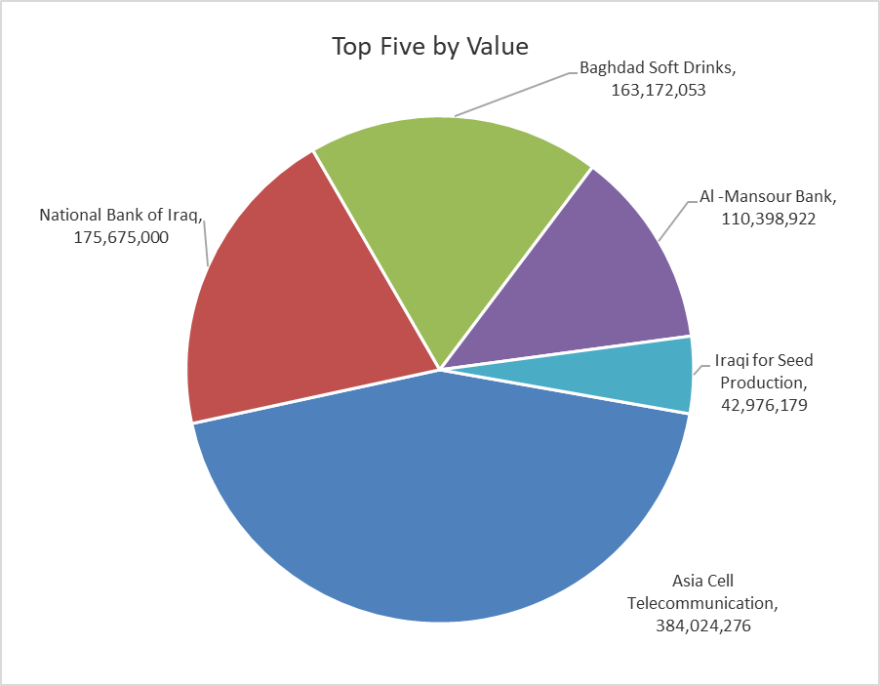
ISX top ganing and losing companies
Wednesday 5/11/2025
Gainers |  |  |  | Losers
Company Name | Closing Price | Change (%) | Traded Volume | Company Name | Closing Price | Change (%) | Traded Volume
Middle East Bank | 0.070 | 16.67 | 10,001,000 | AL-Anssari Islamic Bank | 0.350 | -16.67 | 1,000,000
Electronic Industry | 1.740 | 4.82 | 4,874,538 | Trans Iraq Bank Investment | 0.200 | -9.09 | 2,000,000
General Transportation | 1.860 | 4.49 | 2,585,294 | AL-Badia for General Trans | 1.140 | -5.00 | 695,610
Al-Ameen Estate Investment | 1.560 | 4.00 | 997,163 | Palestine Hotel | 26.600 | -5.00 | 209,613
National Chemical &Plastic | 1.950 | 2.63 | 300,000 | Modern Construction Materials | 0.680 | -4.23 | 450,000

The most active companies in term of traded volume and value

Traded Volume |  |  |  | Traded Value
Company Name | Closing Price | Change (%) | Traded Volume | Company Name | Closing Price | Change (%) | Traded Value
Sumer Commercial Bank | 0.090 | 0.00 | 200,000,000 | Asia Cell Telecommunication | 13.080 | 1.79 | 384,024,276
Economy Bank | 0.250 | 0.00 | 80,996,717 | National Bank of Iraq | 4.600 | 0.22 | 175,675,000
Ashur International Bank | 0.260 | 0.00 | 70,985,872 | Baghdad Soft Drinks | 5.060 | -3.07 | 163,172,053
Gulf Commercial Bank | 0.270 | 0.00 | 69,823,739 | Al -Mansour Bank | 2.050 | -0.49 | 110,398,922
Al -Mansour Bank | 2.050 | -0.49 | 53,849,033 | Iraqi for Seed Production | 5.720 | -1.55 | 42,976,179

Non Iraqis

Iraq Stock Exchange
Non Iraqis' Bulletin Wednesday Nov 5 2025
Regular Market
Non Iraqi Trading of Regular Market (Buy)
Company Names | Code | No.of trades | Traded Shares | Trading Volume
Banks Sector
National Bank Of Iraq | BNOI | 6 | 2,830,000 | 12,876,500
Al-Mansour Bank | BMNS | 1 | 370,489 | 763,207
Total Bank sector |  | 7 | 3,200,489 | 13,639,707
Grand Total |  | 7 | 3,200,489 | 13,639,707

